Sheet1
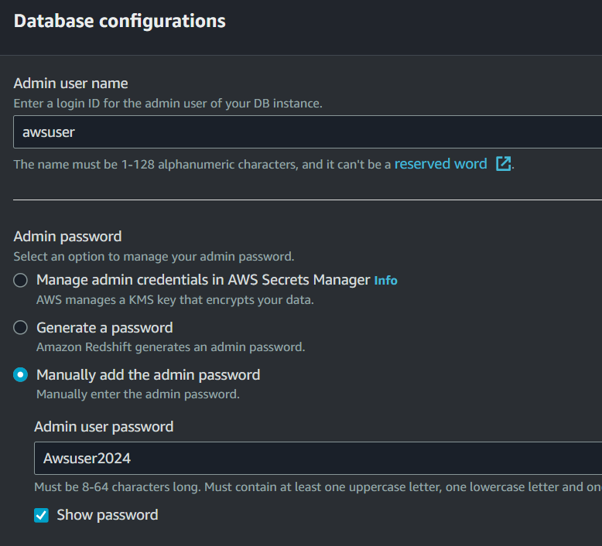
AWS GLUE LAB

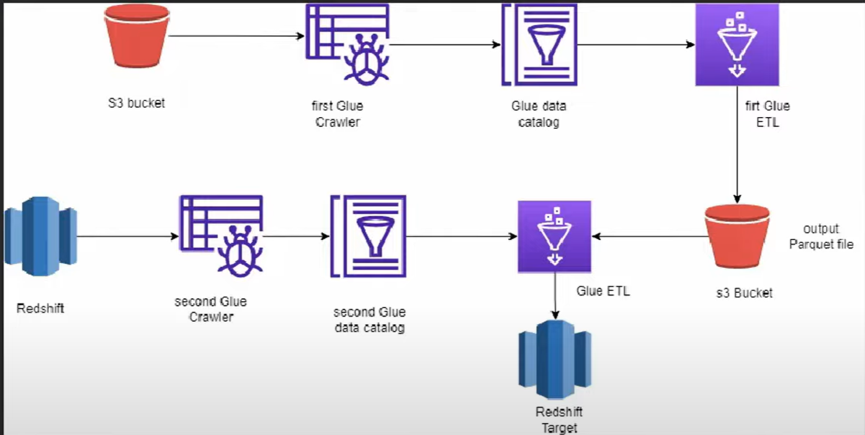
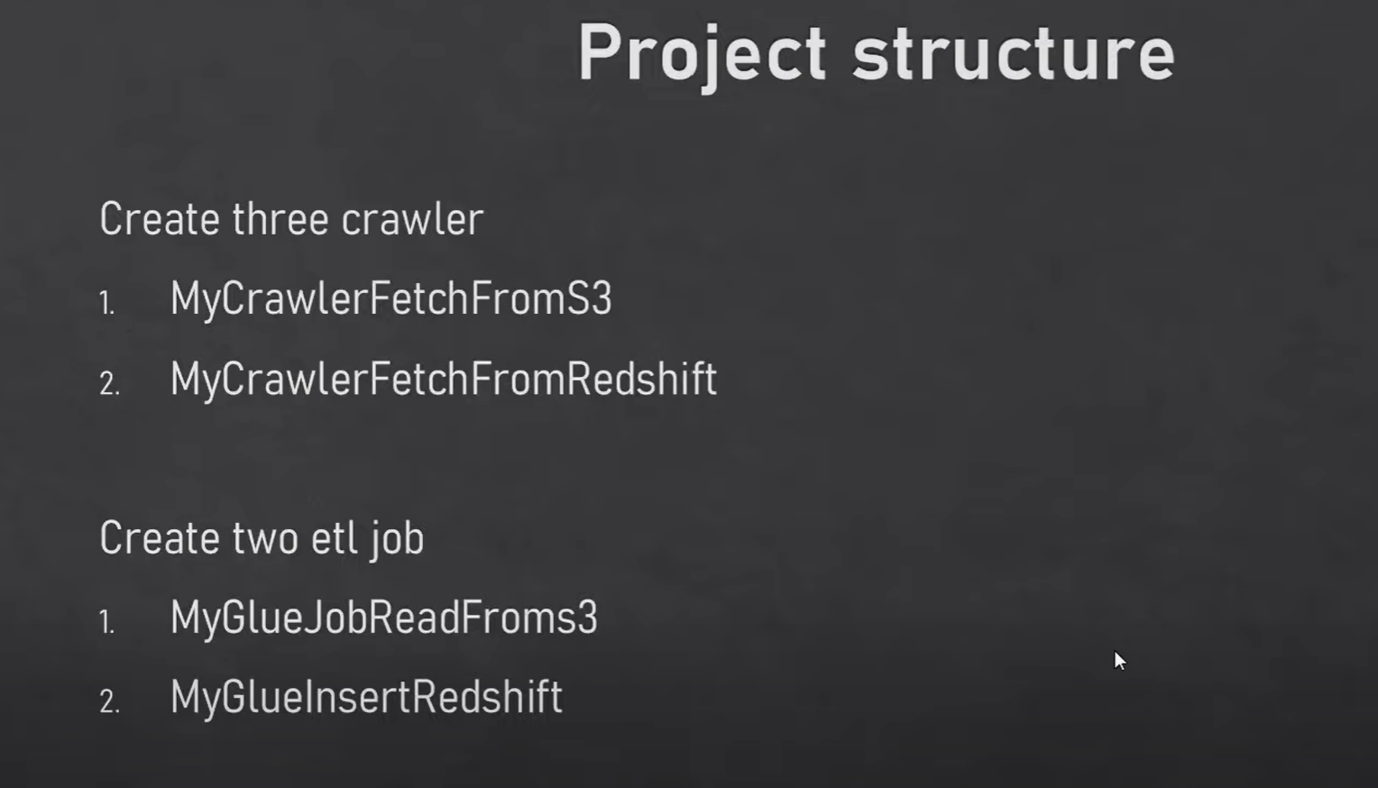

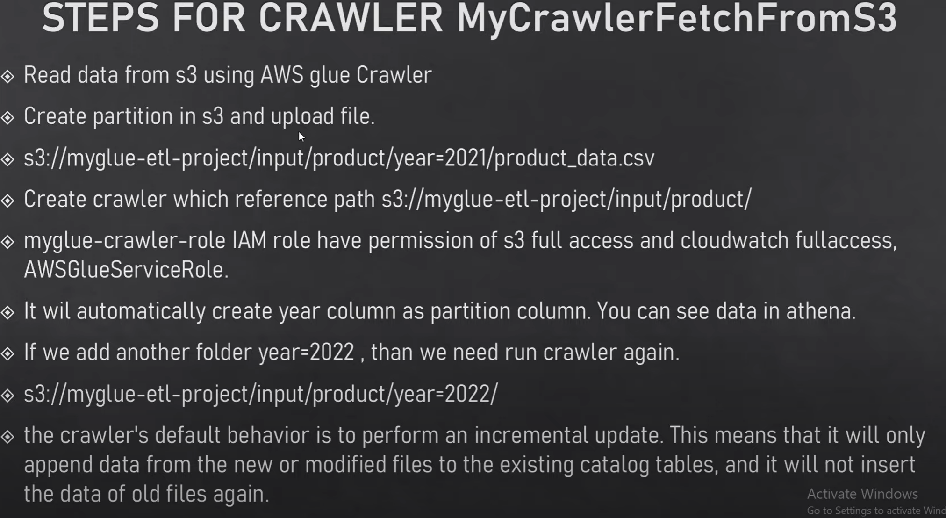
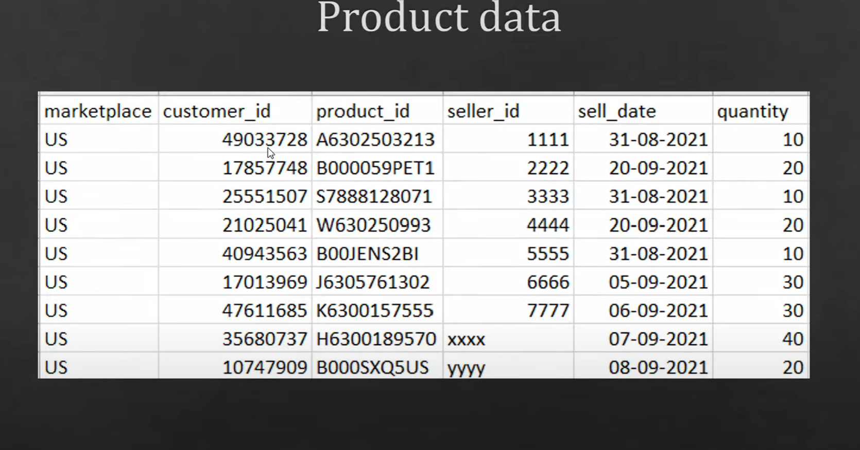

 | UPLOAD FILE IN S3 BUCKET
 | CREATE DATABASE WITH TABLE NAME AS PARTITION TABLE ANME IN S3
 | CREATE CRAWLER
 | RUN THE CCRAWLER
 | SEE THE DATA IN AWS ATHENA

 | glue have self library
 | glue context --> starting point of glue job
 | with the help of glue context, we can create dynamic frame from catelog or it can be anything

 | filter
 | groupBy
 | Mapping
 | casting

